PRD
Product Requirement Document (PRD) - Version: 1.0

Template Name |  | TaskManagementSystem
Goals & Objective |  | We all manage tasks. The goal of this website is to provide a streamlined and efficient platform for individuals and teams to manage tasks, track progress, and improve productivity through role-based access and real-time collaboration. From this website admin/manager/employee can: Create, assign, and update tasks with deadlines and priorities Track task status (e.g., pending, in-progress, completed) Manage users by role (admin, manager, employee) View dashboard with project and user statistics Comment and collaborate on tasks in real-time Receive notifications for task updates or changes Update their own profile information
Client Information
Product Type |  | Web Application
Domain |  | Web2
Access Layers |  | Admin,Manager,Collaborator
Design Required |  | Yes

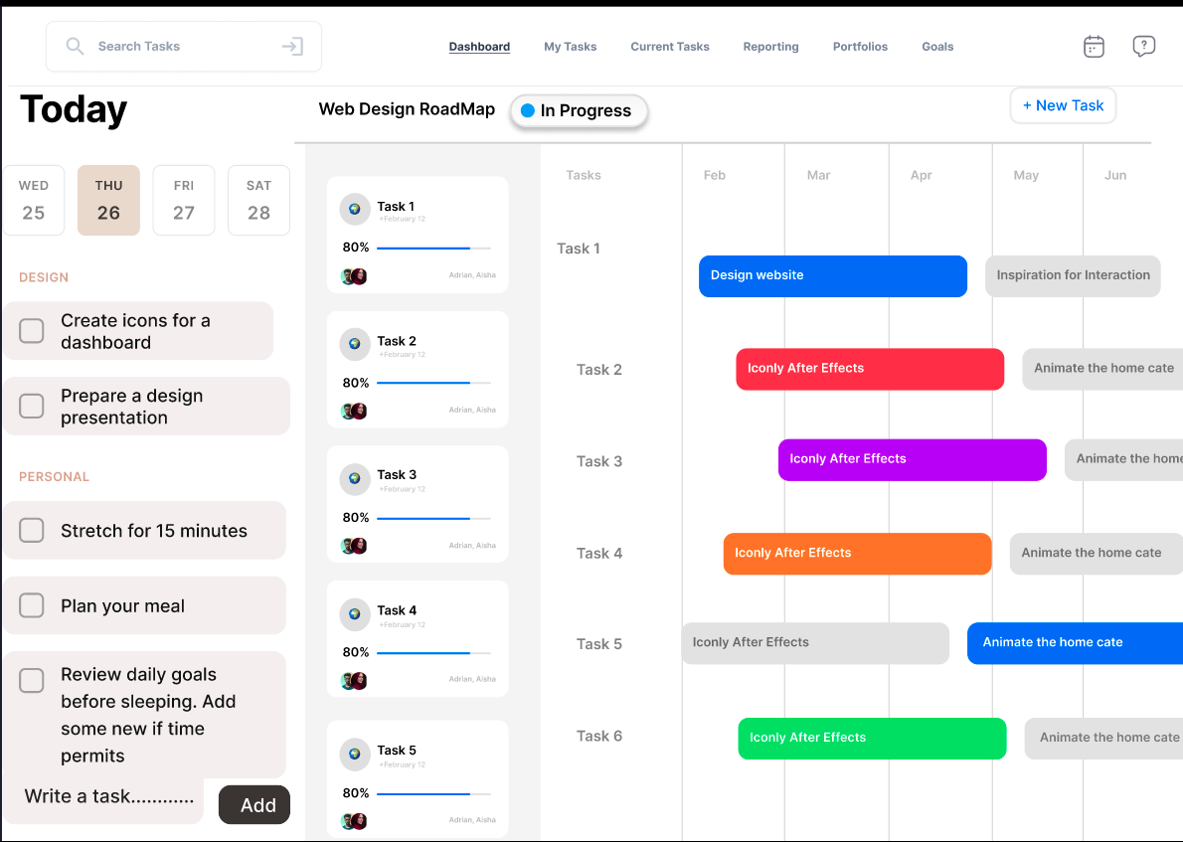
Phase | Item No | Specification [Role] | Screen Definition | User Story | Acceptance Criteria | UI Screen / Wireframe | Tags
Feature: 2 |  | dashboard [Manager]
phase 1 | 4 | dashboard [Manager] | Top Navigation Bar: Tabs: Dashboard, My Tasks, Current Tasks, Reporting, Portfolios, Goals. Utilities: Calendar, Help, Notification bell. “+ New Task” button. Sidebar (Left Panel): Daily agenda by date (calendar with today highlighted). Categorized task lists (e.g., Design, Personal). Add task button. Middle Panel: Task cards with title, progress bar, avatars, and due date. Right Panel: Gantt Chart-like view for task roadmap. Timeline spanning months (Feb to Jun). Tasks mapped to timelines and phases. | Today’s tasks with progress, A roadmap of all current tasks and projects, Timeline-based task scheduling, Team collaboration through assigned avatars, | Navigation Clicking each top-tab redirects to the appropriate page (Dashboard, Reporting, etc.). The "+ New Task" button opens a modal/form to create a new task. Left Panel (Daily Tasks) Date picker allows selection of days (Today is highlighted). User can check off completed tasks. Categories such as “Design” and “Personal” visually separate tasks. Middle Panel (Task List) Each task card displays: Task title. Progress as a percentage bar. Assigned team members (avatars). Due date. Right Panel (Roadmap/Gantt View) Timeline is scrollable from Feb to Jun. Each row corresponds to a task and shows: Phases like “Design website,” “Animate the home cate” etc. Color-coded task progress bars. Hovering a task bar displays detailed info (tooltip). Tasks are draggable (if implemented), and timeline adjusts dynamically. Responsiveness The layout adapts properly on smaller screens (responsive design). Horizontal scrolling works on smaller viewports for roadmap. Roles Only Admin and Manager roles can access this dashboard. Data displayed is role-specific (e.g., Managers see only their team’s tasks). |  | Dashboard
phase 1 | 5 | SideMenu[Manager] | Dashboards Project Track Subtasks Settings | Dashboards (link) Project (link) Track (link) Subtasks (link) Settings (link) | go to dashboard page on click go to project page on click go to track page on click go to subtasks page on click go to settings page on click | 

